REQ INFO
MS State Department of Health |  |  | Water System Name
Bureau of Public Water Supply |  |  | PWS ID | Reporting Year
Monthly Fluoride Operating Report (MFOR)
 |  |  | Number of Wells/Plants with Fluoride Equipment (enter numbers only in this blank, e.g. 1,2,3, etc.)

THIS PAGE MUST BE COMPLETELY FILLED OUT BEFORE YOU ENTER FLUORIDE DATA. THE RELEVANT INFORMATION ENTERED HERE WILL AUTOMATICALLY FILL IN THROUGHOUT THE REST OF THE WORKBOOK. REQUIRED INFORMATION IS OUTLINED IN RED.

How to find your TFID | PLEASE READ THE FOLLOWING INSTRUCTIONS CAREFULLY: Using your fluoride barcodes, locate the TFID in the upper left corner just below your PWS ID. It is five digits and begins with the letters "TF" followed by three numbers. It stands for Treatment Facility ID. Each well or plant that has fluoride equipment installed on it is known as a treatment facility and has a unique ID. This is how MSDH identifies/tracks your fluoride data. We do not use the local name(s) like "Murphy Street Well" or "ABC Water Plant". If you have five wells/plants with fluoride, you will enter five TFIDs below to the left.
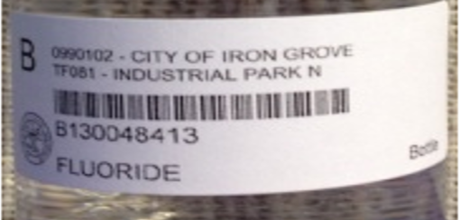

Treatment Facility ID (TFID) | Enter your treatment facility IDs in the spaces provided to the left. Enter one TFID in each box. Follow the same format as the two example TFIDs entered as a guide for you. You'll have between 1 and 12.
EXAMPLE TF080 EXAMPLE
EXAMPLE TF107 EXAMPLE

 |  | The MFOR is due by the 10th of each month.

 |  | Email completed report to water.fluoride@msdh.ms.gov.

 |  | If well/plant is offline, put an "X" on the dates offline.

 |  | Do not submit split samples when offline. Instead, email water.fluoride@msdh.ms.gov with the date you have gone offline, the reason, and the estimated startup date. Send another email when you are back online.

 |  | Do not send empty bottles to the lab when offline!

There are automatic calculations throughout this workbook. In order to get a "Yes" on Sufficient Samples you need at least 13 samples. In order to get a "Yes" on Sufficient Samples In-Range, your Percentage In-Range needs to be at least 90%. The Number In-Range counts samples between 0.55 - 1.24 mg/L. **At a minimum, you are required to sample at a frequency of 3-days a week, with at least 13 samples a month. Daily sampllng is recommended.**

