INTRO
MS State Department of Health |  |  | Water System Name
Bureau of Public Water Supply |  |  | PWS ID | Reporting Year

This is a requied report that is due every month by the 10th of the month for all fluoridating water systems.. Late reports will not be accepted. Even if you are temporarily offline, you are required to submit this report. If you need to change your status, please send an email to water.fluoride@msdh.ms.gov with your question. Email reports to water.fluoride@msdh.ms.gov by the 10th.

BASIC QUESTIONS |  |  |  | ANSWERS

Do you submit required monthly split samples every month (unless temorarily offline)? (Y/N)
Do you submit the required MFOR every month even when offline? (Y/N)
Are you fluoridating, suspended, or discontinued?
Which vendor(s) do you use for fluoride?
Type of fluoride additive (sodium fluoride, sodium fluorosilicate, fluorosiclic acid)
Type of fluoride equipment (saturator, acid-feed system, volumetric or gravimetric dry feeder)
How many wells/plants have fluoride equipment installed on them?
What brand fluoride do you use and what is its country of origin?

How to find your TFID | Using your fluoride barcodes, locate the TFID in the upper left corner just below your PWS ID. It is five digits and begins with the letters "TF" followed by three numbers. It stands for Treatment Facility ID. Each well or plant that has fluoride equipment installed on it is known as a treatment facility and a unique ID. This is how MSDH identifies/tracks your fluoride data. We do not use the local name(s) like "Murphy Street Well" or "ABC Water Plant". If you have five wells/plants with fluoride, you will enter five TFIDs below.
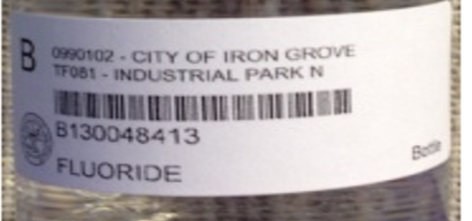

Treatment Facility ID (TFID) | Enter your treatment facility IDs in the spaces provided to the left. Enter one TFID in each box. Follow the same format as the two example TFIDs entered as a guide for you. You'll have between 1 and 12.
EXAMPLE TF080 EXAMPLE
EXAMPLE TF107 EXAMPLE

 |  | The MFOR is due by the 10th of each month.

 |  | Email completed report to water.fluoride@msdh.ms.gov.

 |  | If well/plant is offline, mark "OFF" on the dates offline.

 |  | Do not submit split samples when offline. Instead, email water.fluoride@msdh.ms.gov with the date you have gone offline, the reason, and the estimated startup date. Send another email when you are back online.

 |  | Do not send empty bottles to the lab when offline!

